Sheet1
Quanzhou Da Songsan Clothing Co., Ltd.
offer list
seller | Jessica |  | customer namer
whatsapp | 18487167557 |  | state
company email | dasongsan@163.com |  | telephone
company sddress | CN,Fujian,Quanzhou,10th Floor ,Building B，Haiming Cultural City,Meiling Road |  | whatsapp
 |  |  | email
 |  |  | company address

Product Photo | US/EUR Size | Unit price USD | Quantity (pairs) | Price USD
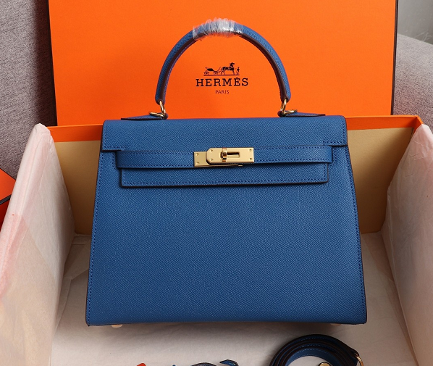 148623 |  | 22cm $95 25cm $98
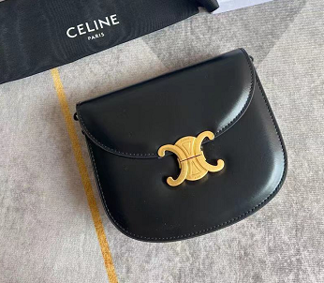 |  | $43.00
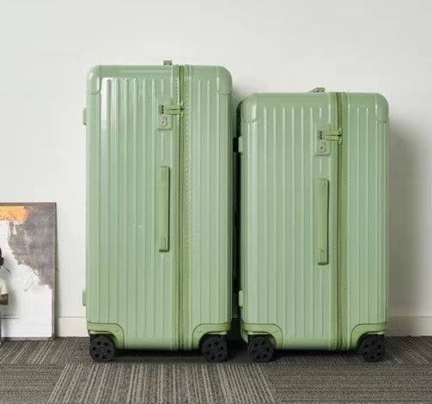 144754 |  | small：$130 big：$142
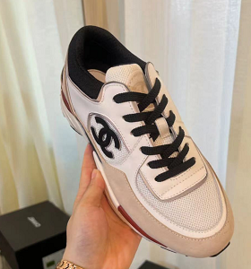 |  | $72.00
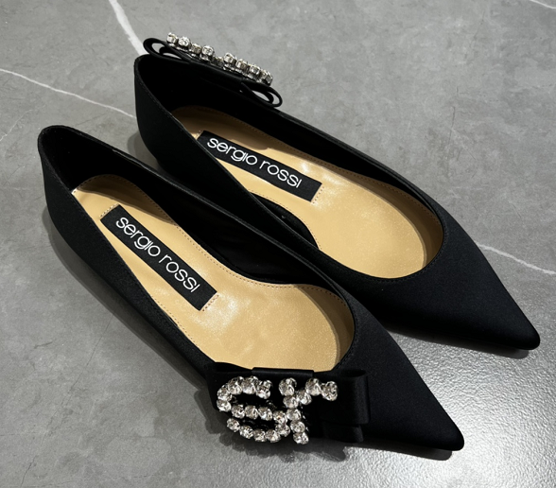 207860 |  | $80.00
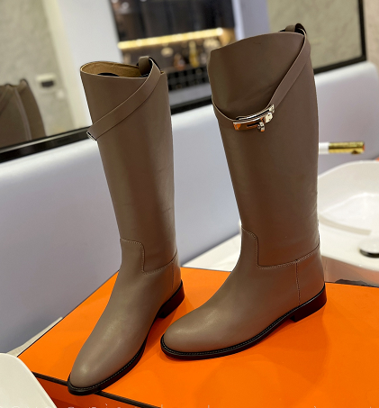 208015 |  | $105.00
 |  | $105.00
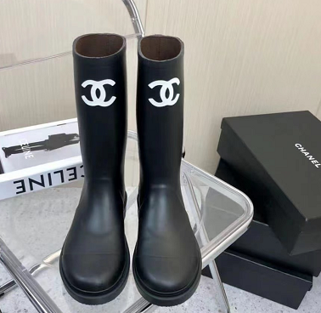 |  | $61.00
163473 |  | $26.00
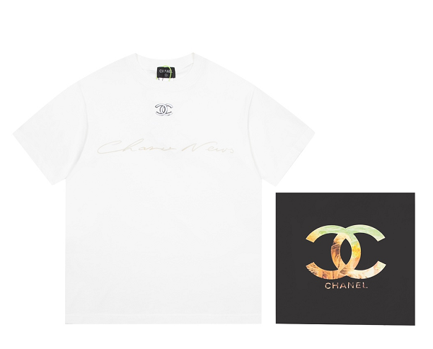 141610 |  | $26.00
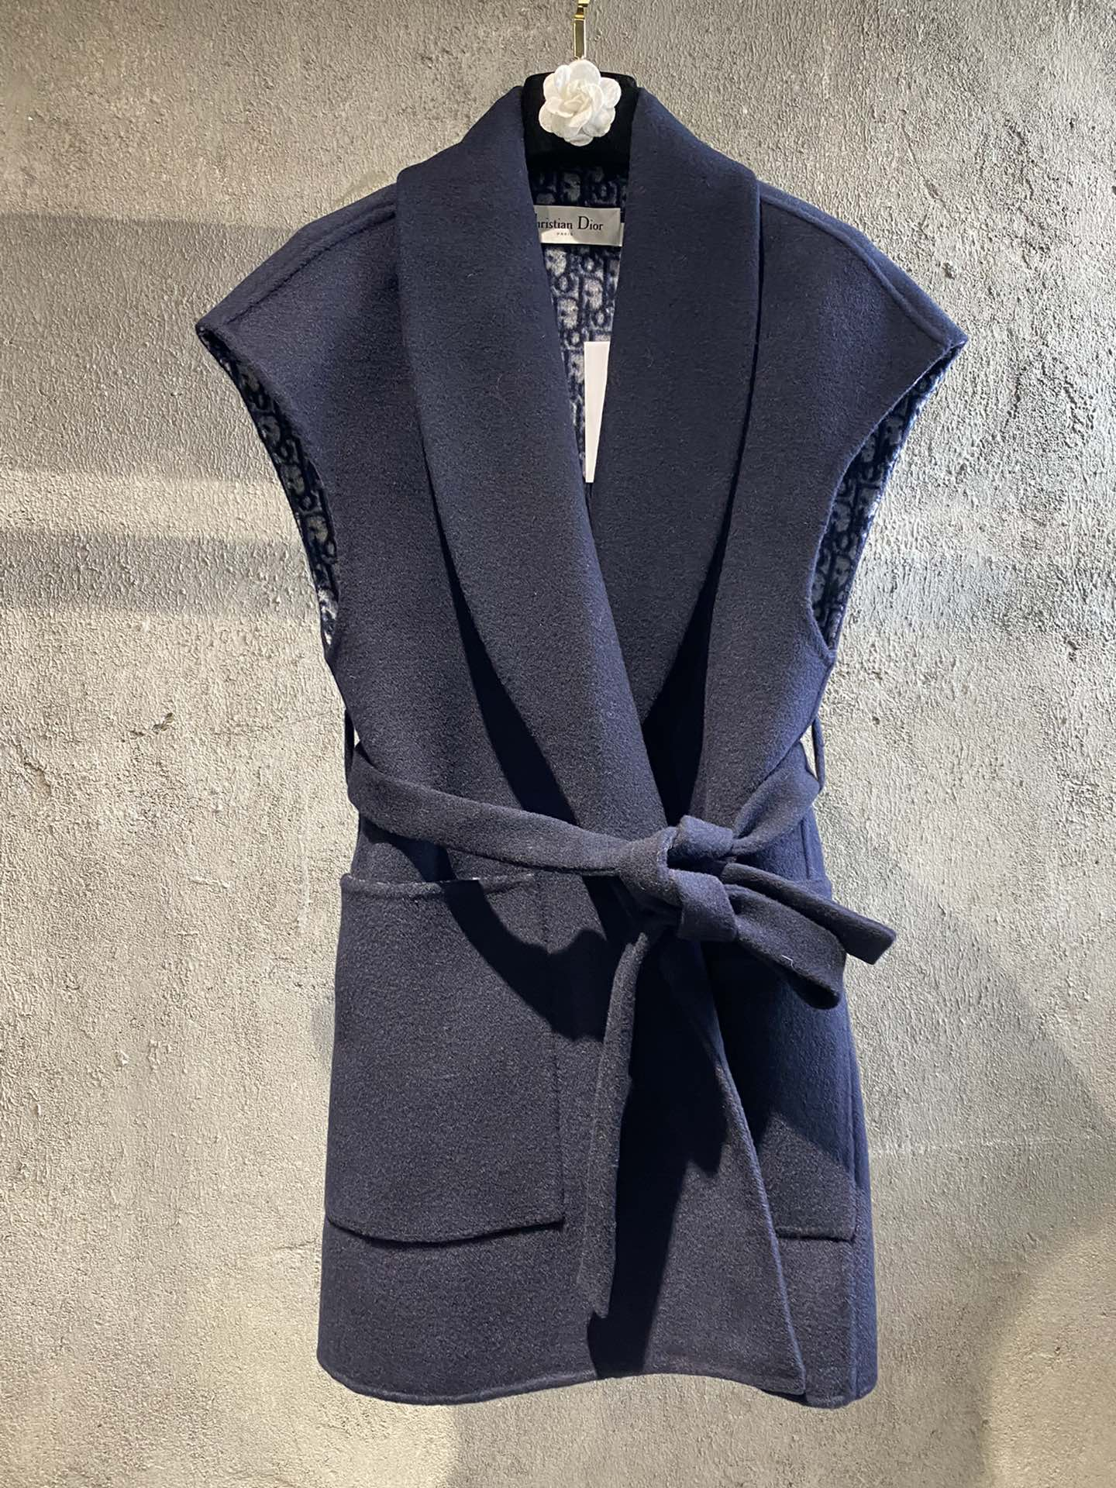 148070 |  | $205.00
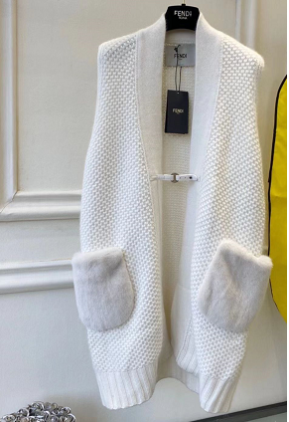 |  | out of stock
150111 |  | out of stock
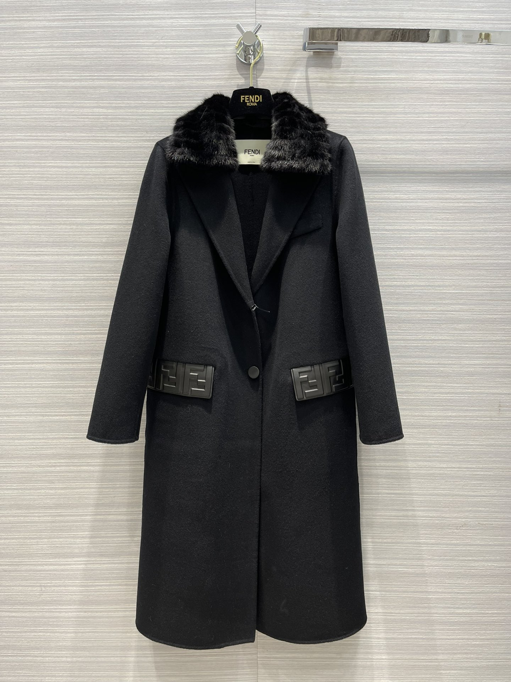 147911 |  | $295.00
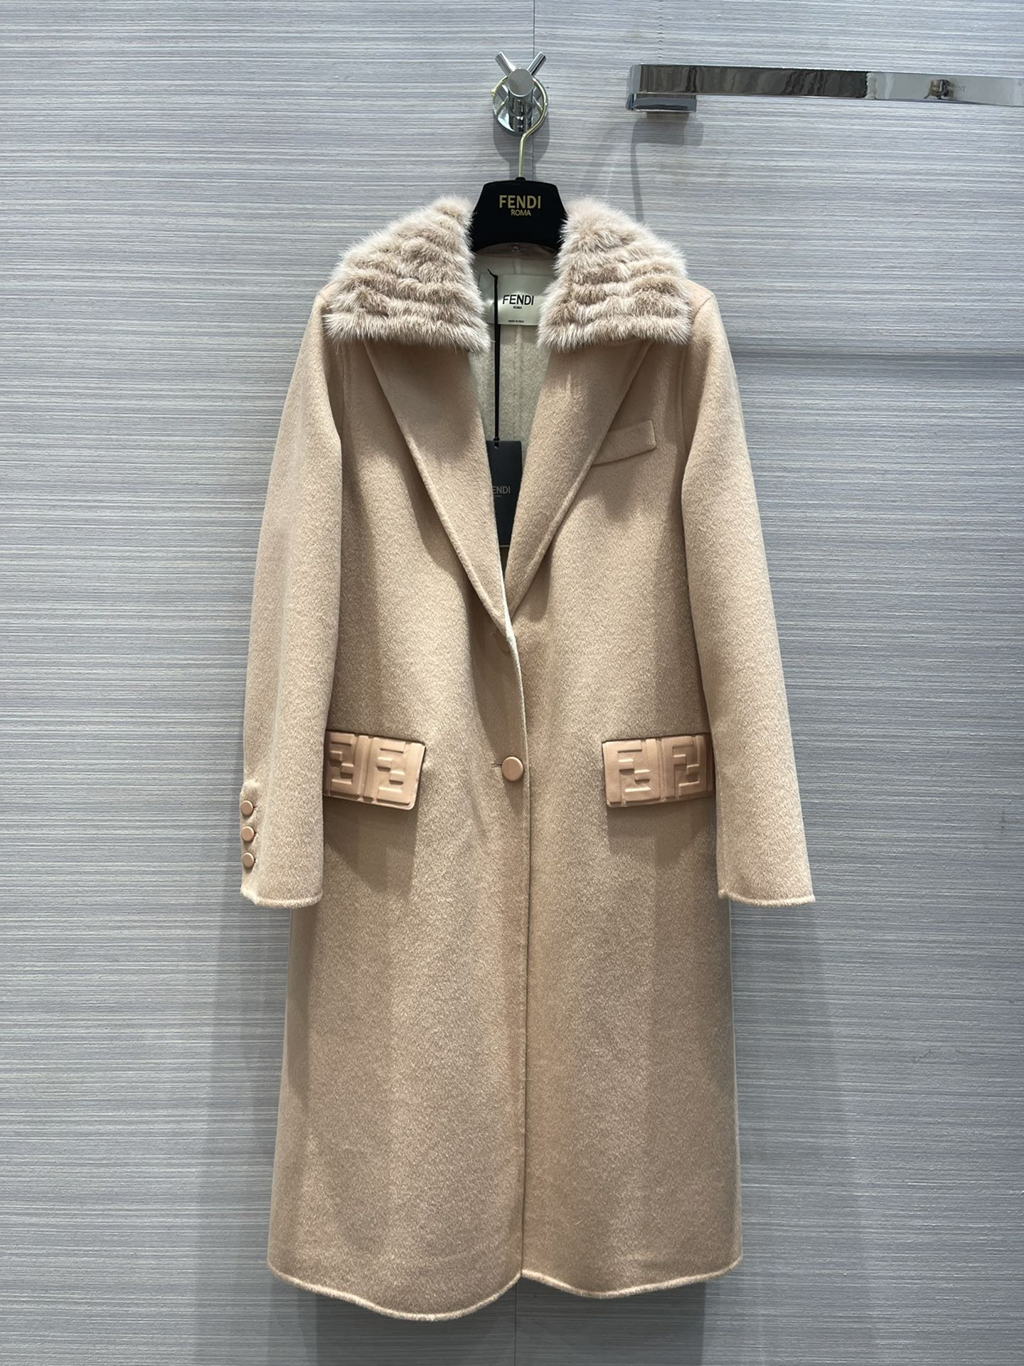 147910 |  | $295.00
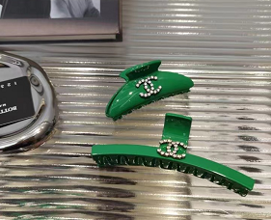 |  | $30.00
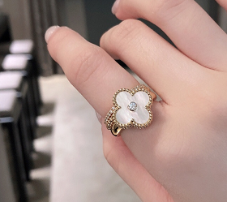 123707 |  | $28.00
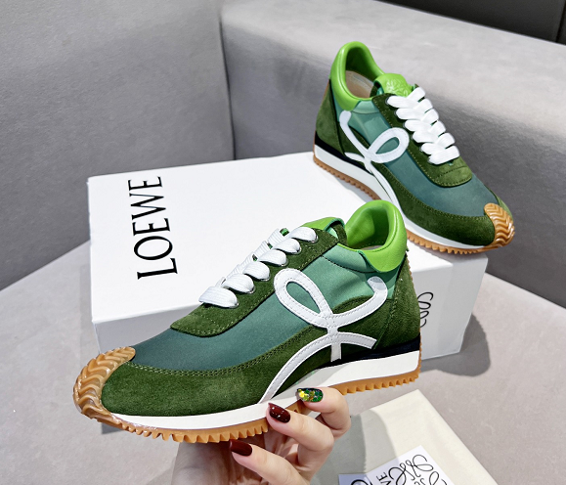 200973 |  | $75.00
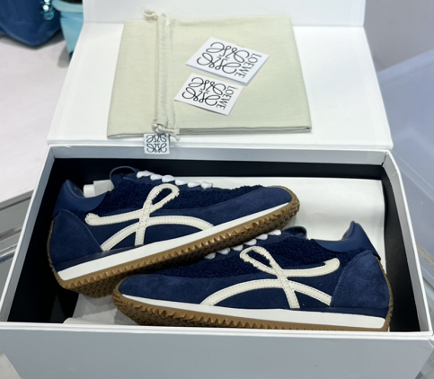 186092 |  | $75.00
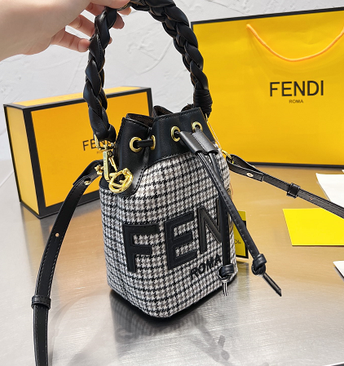 150751 |  | $52.00
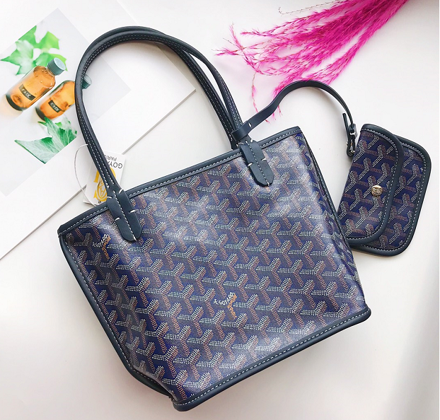 150855 |  | $55.00
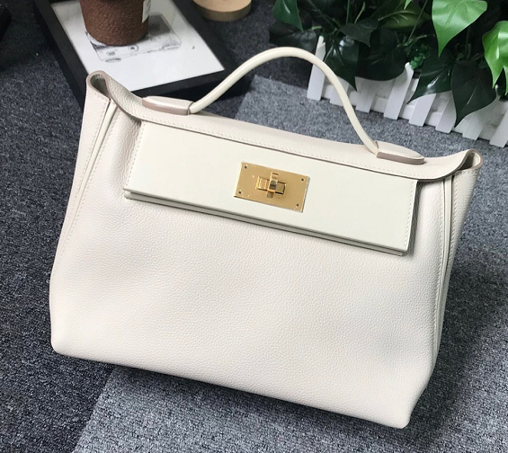 122972 |  | $86.00
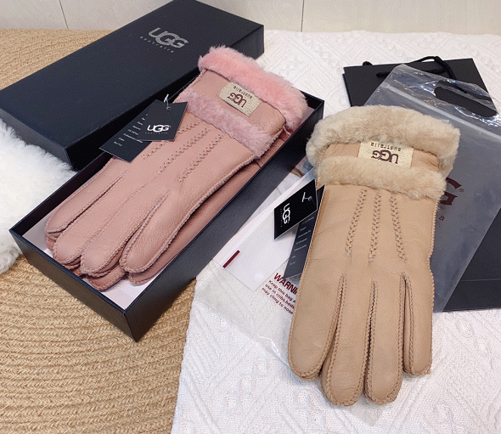 210702
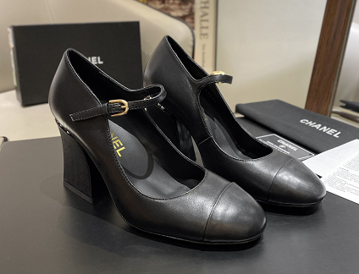 194629 |  | $74.00
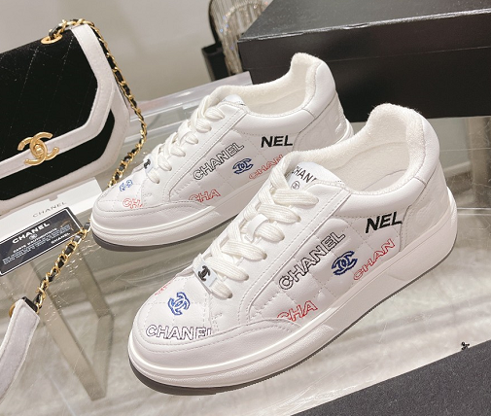 191775 |  | $76.00
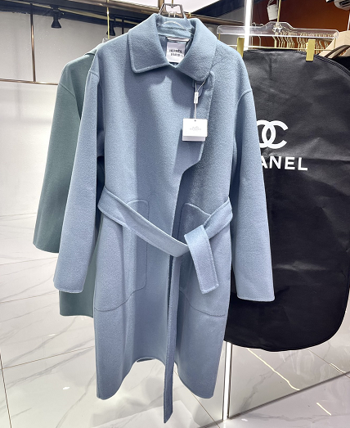 151995 |  | $249.00
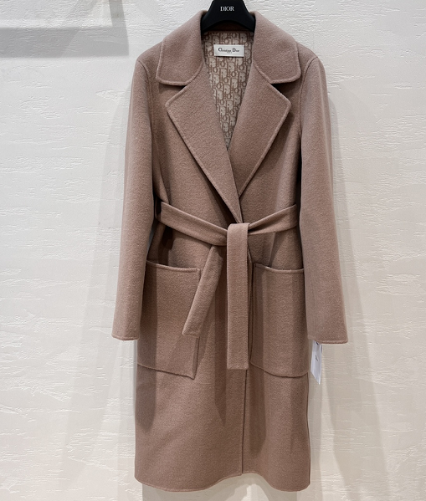 151989 |  | $225.00
152306 |  | $35.00
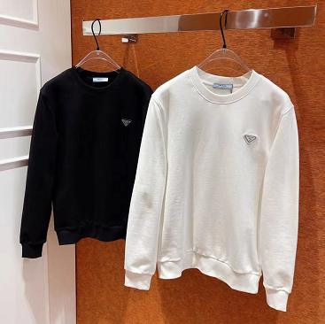 |  | $46.00
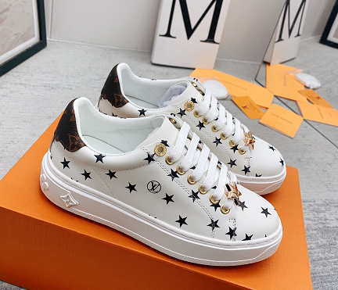 189522 |  | $72.00 | 1
 |  | $37.00 | 1
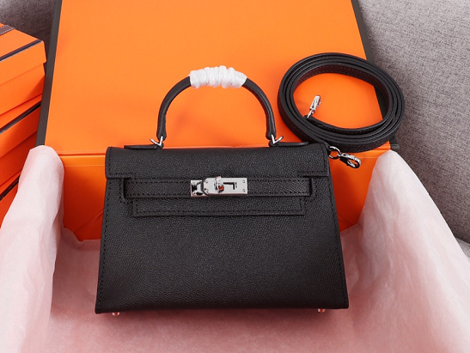 141180 | 19cm | $90.00 | 1
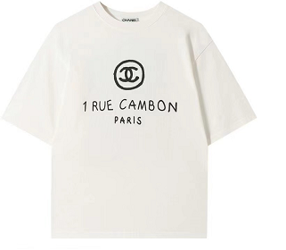 | XS | $27.00 | 1
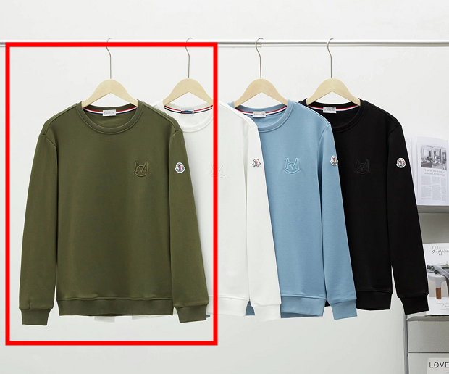 138307 | s | $25.00 | 1

 |  |  | 5 | $0.00
Freight
Total amount | $0.00

