Sheet1 (2)








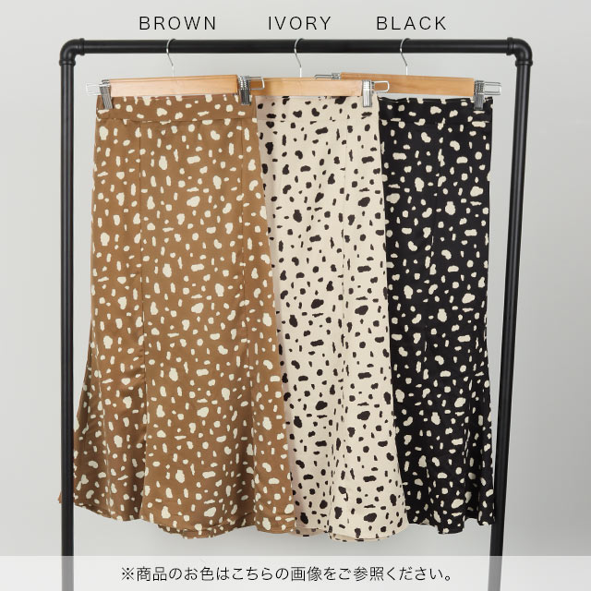


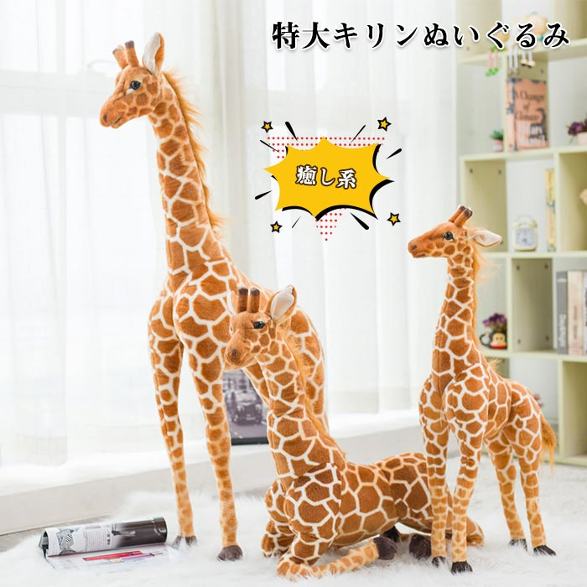



Sheet1



