指示書
リストの整理
 | リストの概要
 | 治具の部品リストです。
 | CADから部品情報を拾ってエクセルのファイルにしたものです。
 | 行を並べ替えて整理後の状態にして出図リストとして使用します。

 | 並び順の説明（整理後のシート）

 | A列：部品名（ファイル名）
 | 部品名のルール : MISUMIと内製品(それ以外)です。区別はM列（購入先）
 | D | 固定
 | 25028 | 25年の受注順（変数）
 | J8 | 治具番号(Jは固定であとは1からの変数)
 | R100 | 固定の名前で『治具』という意味。
 | P100 | 小ユニット（治具にはこの小ユニットがいくつかあります。P100から始まりP200,P300,,,,P1000,P110,P120,P130）※P1000のあとはP110になる

 | A3には『D25028-J8-R100』が入ります。これは治具の名前です。

 | A4から下は小ユニットの毎に順番に固まっています。P100の固まり→P200の固まり→、、、、
 | 小ユニットの固まりの順番は黄色のセルが先頭（小ユニットの名前）
 | M列でのMISUMI以外をA列の部品名の昇順にする。その下にMISUMIを入れる。MISUMIの順番は不問。
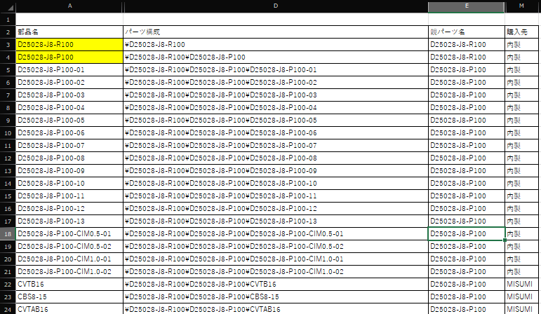

1 | 治具名
2 | ユニット名
3 | ユニット名部品(MISUMI以外) 昇順

4 | ユニット名部品(MISUMI)順番は不問

